Sheet1
 | Before Resampling |  |  |  |  |  |  |  | Borderline-SMOTE Before Feature Selection
 | Hinselmann |  | Schiller |  | Citology |  | Biopsy |  | Hinselmann |  | Schiller |  | Citology |  | Biopsy
Logistic | 164 | 1 | 156 | 1 | 168 | 0 | 163 | 0 | 123 | 62 | 108 | 40 | 126 | 50 | 127 | 39
 | 7 | 0 | 13 | 2 | 4 | 0 | 9 | 0 | 34 | 110 | 67 | 98 | 19 | 130 | 44 | 111
Accuracy | 0.95348837209 |  | 0.91860465116 |  | 0.97674418605 |  | 0.9476744186 |  | 0.70820668693 |  | 0.65814696486 |  | 0.78769230769 |  | 0.74143302181
Precision | 0 |  | 0.66666666667 |  | #DIV/0! |  | #DIV/0! |  | 0.63953488372 |  | 0.71014492754 |  | 0.72222222222 |  | 0.74
Recall | 0 |  | 0.13333333333 |  | 0 |  | 0 |  | 0.76388888889 |  | 0.59393939394 |  | 0.87248322148 |  | 0.71612903226

KNN | 165 | 0 | 157 | 0 | 168 | 0 | 163 | 0 | 170 | 15 | 131 | 17 | 165 | 11 | 152 | 14
 | 7 | 0 | 15 | 0 | 4 | 0 | 9 | 0 | 3 | 141 | 6 | 159 | 3 | 146 | 3 | 152
Accuracy | 0.95930232558 |  | 0.91279069767 |  | 0.97674418605 |  | 0.9476744186 |  | 0.9452887538 |  | 0.92651757188 |  | 0.95692307692 |  | 0.94704049844
Precision | #DIV/0! |  | #DIV/0! |  | #DIV/0! |  | #DIV/0! |  | 0.90384615385 |  | 0.90340909091 |  | 0.92993630573 |  | 0.9156626506 |  | Don't forget "()"
Recall | 0 |  | 0 |  | 0 |  | 0 |  | 0.97916666667 |  | 0.96363636364 |  | 0.97986577181 |  | 0.98064516129

Decision Tree | 156 | 9 | 137 | 20 | 159 | 9 | 152 | 11 | 171 | 14 | 134 | 14 | 164 | 12 | 151 | 15
 | 7 | 0 | 11 | 4 | 4 | 0 | 6 | 3 | 5 | 139 | 14 | 151 | 4 | 145 | 12 | 143
Accuracy | 0.90697674419 |  | 0.81976744186 |  | 0.92441860465 |  | 0.9011627907 |  | 0.94224924012 |  | 0.91054313099 |  | 0.95076923077 |  | 0.91588785047
Precision | 0 |  | 0.16666666667 |  | 0 |  | 0.21428571429 |  | 0.90849673203 |  | 0.91515151515 |  | 0.92356687898 |  | 0.90506329114
Recall | 0 |  | 0.26666666667 |  | 0 |  | 0.33333333333 |  | 0.96527777778 |  | 0.91515151515 |  | 0.97315436242 |  | 0.92258064516

Random Forest | 165 | 0 | 154 | 3 | 163 | 5 | 163 | 0 | 182 | 3 | 143 | 5 | 173 | 3 | 165 | 1
 | 7 | 0 | 14 | 1 | 4 | 0 | 9 | 0 | 2 | 142 | 13 | 152 | 5 | 144 | 11 | 144
Accuracy | 0.95930232558 |  | 0.9011627907 |  | 0.9476744186 |  | 0.9476744186 |  | 0.98480243161 |  | 0.94249201278 |  | 0.97538461538 |  | 0.96261682243
Precision | #DIV/0! |  | 0.25 |  | 0 |  | #DIV/0! |  | 0.97931034483 |  | 0.96815286624 |  | 0.97959183673 |  | 0.99310344828
Recall | 0 |  | 0.066666666667 |  | 0 |  | 0 |  | 0.98611111111 |  | 0.92121212121 |  | 0.96644295302 |  | 0.92903225806

SVC | 165 | 0 | 157 | 0 | 168 | 0 | 163 | 0 | 135 | 50 | 124 | 24 | 115 | 61 | 105 | 61
 | 7 | 0 | 15 | 0 | 4 | 0 | 9 | 0 | 66 | 78 | 96 | 69 | 16 | 133 | 38 | 117
Accuracy | 0.95930232558 |  | 0.91279069767 |  | 0.97674418605 |  | 0.9476744186 |  | 0.64741641337 |  | 0.61661341853 |  | 0.76307692308 |  | 0.69158878505
Precision | #DIV/0! |  | #DIV/0! |  | #DIV/0! |  | #DIV/0! |  | 0.609375 |  | 0.74193548387 |  | 0.68556701031 |  | 0.65730337079
Recall |  |  | 0 |  | 0 |  | 0 |  | 0.54166666667 |  | 0.41818181818 |  | 0.89261744966 |  | 0.75483870968

Grid Search CV | 165 | 0 | 157 | 0 | 168 | 0 | 163 | 0 | 175 | 10 | 138 | 10 | 168 | 8 | 159 | 7
 | 7 | 0 | 15 | 0 | 4 | 0 | 9 | 0 | 1 | 143 | 8 | 157 | 3 | 146 | 3 | 152
Accuracy | 0.95930232558 |  | 0.91279069767 |  | 0.97674418605 |  | 0.9476744186 |  | 0.96656534954 |  | 0.94249201278 |  | 0.96615384615 |  | 0.96884735202
Precision | #DIV/0! |  | #DIV/0! |  | #DIV/0! |  | #DIV/0! |  | 0.93464052288 |  | 0.94011976048 |  | 0.94805194805 |  | 0.95597484277
Recall | 0 |  | 0 |  | 0 |  | 0 |  | 0.99305555556 |  | 0.95151515152 |  | 0.97986577181 |  | 0.98064516129

Naïve Bayes | 145 | 20 | 131 | 26 | 16 | 152 | 144 | 19 | 42 | 143 | 120 | 28 | 29 | 147 | 58 | 108
 | 6 | 1 | 7 | 8 | 2 | 2 | 6 | 3 | 0 | 144 | 94 | 71 | 1 | 148 | 3 | 152
Accuracy | 0.8488372093 |  | 0.80813953488 |  | 0.10465116279 |  | 0.85465116279 |  | 0.56534954407 |  | 0.61022364217 |  | 0.54461538462 |  | 0.65420560748
Precision | 0.047619047619 |  | 0.23529411765 |  | 0.012987012987 |  | 0.13636363636 |  | 0.50174216028 |  | 0.71717171717 |  | 0.50169491525 |  | 0.58461538462
Recall | 0.14285714286 |  | 0.53333333333 |  | 0.5 |  | 0.33333333333 |  | 1 |  | 0.4303030303 |  | 0.9932885906 |  | 0.98064516129

XGBoost | 164 | 1 | 150 | 7 | 166 | 2 | 162 | 1 | 181 | 4 | 141 | 7 | 172 | 4 | 164 | 2
 | 7 | 0 | 13 | 2 | 4 | 0 | 8 | 1 | 5 | 139 | 12 | 153 | 6 | 143 | 11 | 144
Accuracy | 0.95348837209 |  | 0.88372093023 |  | 0.96511627907 |  | 0.9476744186 |  | 0.9726443769 |  | 0.9392971246 |  | 0.96923076923 |  | 0.95950155763
Precision | 0 |  | 0.22222222222 |  | 0 |  | 0.5 |  | 0.97202797203 |  | 0.95625 |  | 0.97278911565 |  | 0.98630136986
Recall | 0 |  | 0.13333333333 |  | 0 |  | 0.11111111111 |  | 0.96527777778 |  | 0.92727272727 |  | 0.95973154362 |  | 0.92903225806

Neural Network | 165 | 0 | 157 | 0 | 168 | 0 | 163 | 0 | 46 | 139 | 131 | 17 | 143 | 33 | 150 | 16
 | 7 | 0 | 15 | 0 | 4 | 0 | 9 | 0 | 9 | 135 | 42 | 123 | 7 | 142 | 21 | 134
Accuracy | 0.95930232558 |  | 0.91279069767 |  | 0.97674418605 |  | 0.9476744186 |  | 0.55015197568 |  | 0.81150159744 |  | 0.87692307692 |  | 0.88473520249
Precision | #DIV/0! |  | #DIV/0! |  | #DIV/0! |  | #DIV/0! |  | 0.49270072993 |  | 0.87857142857 |  | 0.81142857143 |  | 0.89333333333
Recall | 0 |  | 0 |  | 0 |  | 0 |  | 0.9375 |  | 0.74545454545 |  | 0.95302013423 |  | 0.86451612903
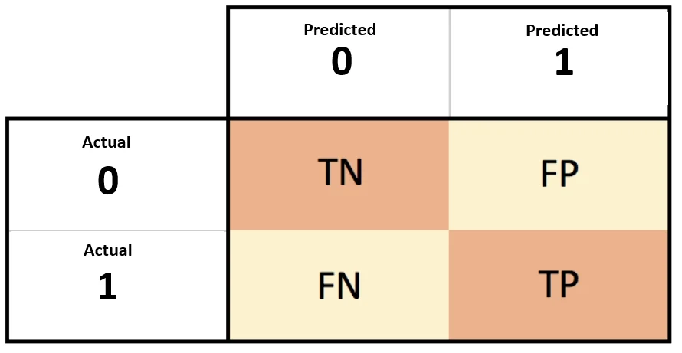
 |  |  |  |  |  |  |  |  |  | 164 | 1
 |  |  |  |  |  |  |  |  |  | 7 | 0

 |  |  |  |  |  |  |  |  |  | Precision | 0

